Sheet1
Shop | Corporate
 | Sportswear
 | Trendz |  | Note: Below is the sample for your reference.
 | Streetwear
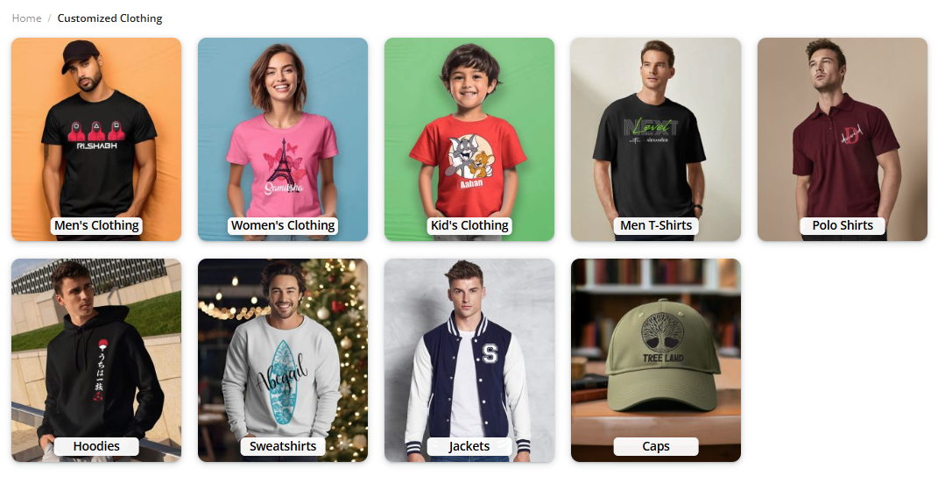
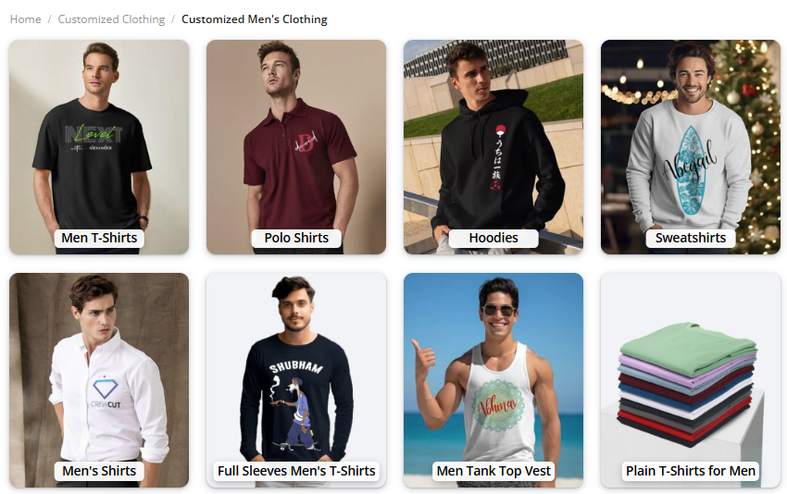
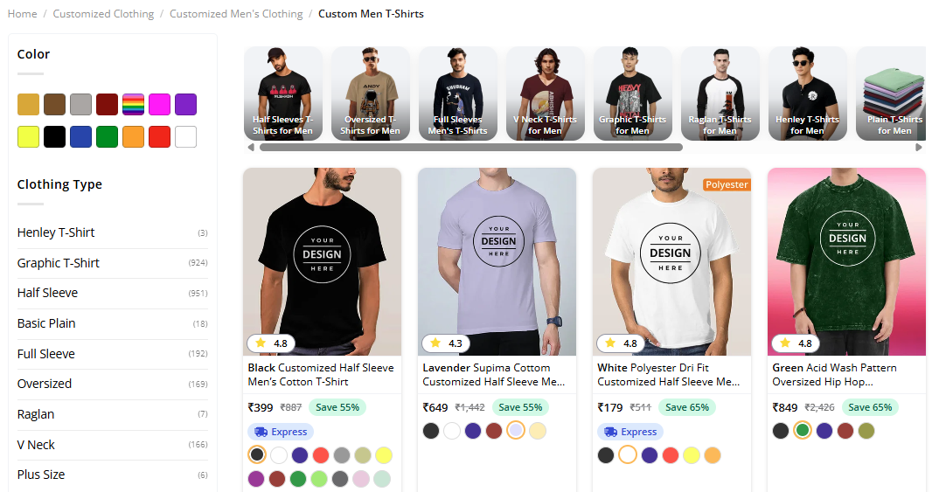
 | Accessories
Clothing | Men's Clothing | Men's T Shirt
 |  | Men's Polo Shirt
 |  | Men's Oversized T Shirt
 |  | Men's Full Sleeve T Shirt
 |  | Men's Hoodies & Sweatshirts
 |  | Men's Jackets
 | Women's Clothing | Women's T Shirt
 |  | Women's Polo Shirt
 |  | Women's Oversized T Shirt
 |  | Women's Full Sleeve T Shirt
 |  | Women's Hoodies & Sweatshirts
 |  | Women's Jackets
 | Kid's Clothing | Kid's T Shirt
 |  | Kid's Polo Shirt
 |  | Kid's Oversized T Shirt
 |  | Kid's Full Sleeve T Shirt
 |  | Kids's Hoodies & Sweatshirts
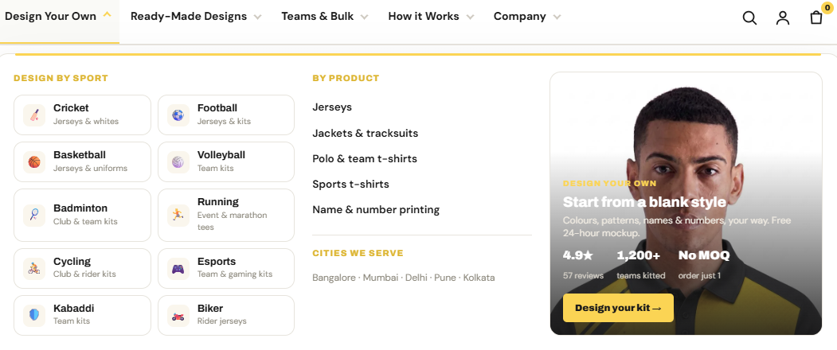
 |  | Kid's Jackets
Jerseys | Shop By Sports | Cricket Jerseys
 |  | Football Jerseys
 |  | Basketball Jerseys
 |  | Badminton Jerseys
 |  | Volleyball Jersey
 |  | Cycling Jerseys
 |  | Running Jerseys
 |  | Esport Jerseys
Corporate Gifting
Services | DTG Printing
 | DTF Printing
 | Embroidery Digitizing
 | Coloreel Digitizing
 | Screen Printing
 | UV Printing
 | Engraving
Brands | Redbolt

 | Jack&Jones
 | Vero Moda
 | Turtle
 | Rare Rabbit
About | About Us
 | Case Studies
 | Blog
 | Gallery
Our Stores | Bangalore
 | Chennai
 | Marthandam
 | Trivandrum
Account
Cart

